Location Plan & Summary
Intelligent Data Collection Limited

Client: | Bristol County Council |  | Date of Survey: |  | 09.07.2015
Project Number: | ID02343 |  | Site Name: |  | Bridge Street
Site Number: | ANPR Site 23 |  | Survey Type: |  | Two-way Link Count

X Coordinate |  | Y Coordinate |  | Google Maps Link
51.471988 |  | -2.551871 |  | Click Here
AM Peak Conditions |  | Inter-Peak Conditions |  | PM Peak Conditions
Clear and Sunny |  | Clear and Sunny |  | Clear and Sunny
Junction Layout

N

 |  | Arm A - Bridge Street (W)

 |  |  |  |  |  | Arm B - Bridge Street (E)

Aerial Mapping and On-site Camera View
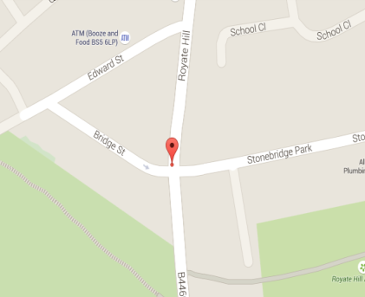

Arm A - Bridge Street (W)

Arm B - Bridge Street (E)

Junction Flow Profile
Arm Approach Flows (All Vehicles)
 | A to B (Eastbound) | B to A (Westbound) | Two-way Total
7:00:00 | 3 | 1 | 4
7:15:00 | 6 | 1 | 7
7:30:00 | 7 | 1 | 8
7:45:00 | 4 | 2 | 6
8:00:00 | 4 | 1 | 5
8:15:00 | 8 | 1 | 9
8:30:00 | 5 | 1 | 6
8:45:00 | 9 | 0 | 9
9:00:00 | 4 | 1 | 5
9:15:00 | 7 | 1 | 8
9:30:00 | 3 | 0 | 3
9:45:00 | 7 | 0 | 7
10:00:00 | 6 | 0 | 6
10:15:00 | 1 | 0 | 1
10:30:00 | 3 | 0 | 3
10:45:00 | 5 | 1 | 6
11:00:00 | 2 | 0 | 2
11:15:00 | 1 | 0 | 1
11:30:00 | 11 | 0 | 11
11:45:00 | 6 | 0 | 6
12:00:00 | 6 | 0 | 6
12:15:00 | 4 | 1 | 5
12:30:00 | 8 | 0 | 8
12:45:00 | 6 | 0 | 6
13:00:00 | 7 | 0 | 7
13:15:00 | 6 | 1 | 7
13:30:00 | 3 | 0 | 3
13:45:00 | 6 | 1 | 7
14:00:00 | 5 | 0 | 5
14:15:00 | 4 | 2 | 6
14:30:00 | 3 | 1 | 4
14:45:00 | 5 | 0 | 5
15:00:00 | 4 | 0 | 4
15:15:00 | 8 | 1 | 9
15:30:00 | 14 | 0 | 14
15:45:00 | 7 | 0 | 7
16:00:00 | 12 | 0 | 12
16:15:00 | 12 | 1 | 13
16:30:00 | 11 | 2 | 13
16:45:00 | 6 | 0 | 6
17:00:00 | 6 | 0 | 6
17:15:00 | 9 | 1 | 10
17:30:00 | 14 | 0 | 14
17:45:00 | 8 | 1 | 9
18:00:00 | 12 | 0 | 12
18:15:00 | 11 | 1 | 12
18:30:00 | 7 | 0 | 7
18:45:00 | 8 | 1 | 9

Additional Notes (Factors which may impact on survey results such as accidents, roadworks, special events):

